Sheet1
MVSR ENGINEERING COLLEGE
CSE DEPARTMENT
BE CSE - Sec - B & C - Mentors Allocation (AY 2025-26 Even Sem)

Class | Section | Roll Nos | Count | Mentor | Photo
BE CSE Sem-IV (2/4) | B | 2451-24-733-065 to 096 | 32 | N. Sabitha
 |  | 2451-24-733-097 to 128, 2451-23-733-118 | 33 | V.Sathish
 |  | 2451-24-733-308 to 314 | 7 | K. Rajesh Kumar
 | C | 2451-24-733-129 to 160 | 32 | K Murali Krishna
 |  | 2451-24-733-161 to 192, 2451-23-733-187 | 33 | 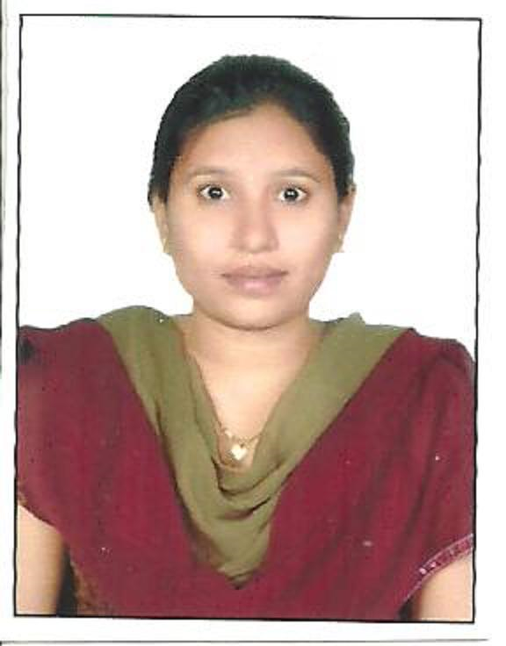 J. Veneela
 |  | 2451-24-733-315 to 320 | 6 | K. Rajesh Kumar

BE CSE Sem-VI (3/4) | B | 2451-23-733-065 to 086, 088 to 096 | 31 | M. Dyna
 |  | 2451-23-733-097 to 117,119 to 128 | 31 | V. Swarna
 |  | 2451-23-733-308 to 314 | 7 | K. Rajesh Kumar
 | C | 2451-23-733-129 to 132, 134 to 160 | 31 | G. Madhu | 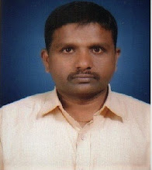
 |  | 2451-23-733-161 to 186, 188 to 190,192 | 30 | N Sudeepthi Reddy | 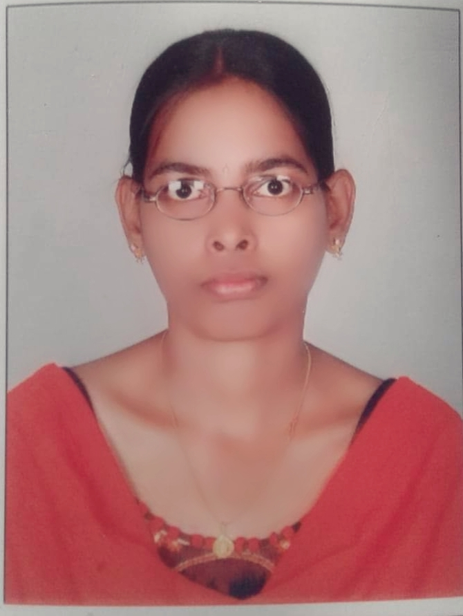
 |  | 2451-23-733-315 to 319, 321 | 6 | K. Rajesh Kumar

BE CSE Sem-VIII (4/4) | B | 2451-22-733-065 to 071,073 to 097 | 32 | V. Madhuri
 |  | 2451-22-733-098 to 128 | 31 | V. Madhuri
 |  | 2451-22-733-309 to 314, 316 | 7 | K. Rajesh Kumar
 | C | 2451-22-733-129 to 135, 137 to 158 | 29 | Dr.P. Ashwini
 |  | 2451-22-733-159 to 187 | 29 | Dr.P. Ashwini
 |  | 2451-22-733-317 to 323 | 7 | K. Rajesh Kumar

 | AHOD |  |  | HOD

